StoreType
 |  | Store Type(Region) Vs Revenue and Unites
Store type vs Revenue Units
 | Sum of Total Amount | Count of Quantity
 | 848929.40359 | 794
 | 913875.67067 | 822
North | 207243.80799 | 197
South | 205209.0911 | 187
Row Labels | Sum of Total Amount | Count of Quantity
Flagship | 848929.40359 | 794
Online | 913875.67067 | 822
Outlet
North | 207243.80799 | 197
South | 205209.0911 | 187
Grand Total | 2175257.9733 | 2000

Category Vs Cost and Stock
 |  | Category Vs Cost and Stock
Catrgory Vs Cost and Stock
Row Labels | Sum of Cost | Count of Stock
Beauty | $3,763.50 | 15
Clothing | $4,748.12 | 18
Electronics | $6,647.66 | 21
Home | $4,950.16 | 21
Sports | $5,294.92 | 25
Grand Total | $25,404.36 | 100

Productsales-summary
sales revenue vs product category
 |  | Product Category VS Sales Revenue
Sum of Total Amount | Column Labels
Row Labels | Beauty | Clothing | Electronics | Home | Sports | Grand Total
East | $93,738.07 | $104,828.54 | $133,221.68 | $120,153.86 | $170,084.32 | $622,026.46
North | $91,775.94 | $112,184.95 | $147,510.96 | $129,789.20 | $166,080.96 | $647,342.01
South | $101,876.16 | $113,264.13 | $147,714.64 | $117,057.06 | $155,301.10 | $635,213.10
West | $35,059.55 | $48,953.00 | $75,864.08 | $60,295.68 | $50,504.10 | $270,676.41
Grand Total | $322,449.72 | $379,230.63 | $504,311.35 | $427,295.80 | $541,970.47 | $2,175,257.97

Payment Method
 |  |  | Payment Vs Region Revenue

Payment vs region revenue
Sum of Total Amount | Column Labels
 | East | North | South | West | Grand Total
Row Labels
COD | 232552.8094 | 198808.51737 | 190762.87 | 81576.347 | 703700.54377
Credit Card | 181342.08489 | 220076.8961 | 207560.0057 | 105863.5751 | 714842.56179
PayPal | 208131.56899 | 228456.5949 | 236890.22 | 83236.4839 | 756714.86779
Grand Total | 622026.46327 | 647342.00837 | 635213.0957 | 270676.406 | 2175257.9733

Region yearly revenue
Region Yearly Revenue
 |  | Region Vs Yearly Revenue

Sum of Total Amount | Column Labels
Row Labels | 2023 | 2024 | 2025 | Grand Total
East | 68723.3899 | 290103.06389 | 263200.00949 | 622026.46327
North | 74581.625187 | 338336.27 | 234424.11319 | 647342.00837
South | 62755.8224 | 334554.9901 | 237902.2832 | 635213.0957
West | 18104.6245 | 130877.7676 | 121694.0139 | 270676.406
Grand Total | 224165.46199 | 1093872.0916 | 857220.41977 | 2175257.9733

yearlyrevenue
Average yearly revenue analysis
 | Average of Total Amount | Count of Quantity
Beauty | 1011.6184929 | 14
Clothing | 1062.0436333 | 9
Electronics | 694.08312 | 10
Home | 1231.2381063 | 16
Sports | 1020.0943 | 18
Beauty | 933.51070909 | 11
Clothing | 1258.7979533 | 11
Electronics | 1129.2815556 | 18
Home | 1329.43244 | 15
Sports | 784.43656154 | 13
Beauty | 1224.9885 | 7
Clothing | 1111.7295917 | 12
Electronics | 885.08763846 | 13
Home | 686.10709375 | 16
Sports | 1311.1639286 | 14
Beauty | 2312.2912 | 1
Clothing | 813.705 | 5
Electronics | 778.1147375 | 8
Home | 1114.989 | 2
Sports | 817.2281 | 4
Beauty | 1072.3074116 | 43
Clothing | 1193.3452558 | 43
Electronics | 1110.3496652 | 46
Home | 961.37390175 | 57
Sports | 1071.6741011 | 81
Beauty | 1032.511 | 46
Clothing | 1120.6576855 | 62
Electronics | 1025.5281141 | 64
Home | 1096.5164746 | 59
Sports | 1083.7109071 | 84
Beauty | 1090.6181686 | 51
Clothing | 1169.9819354 | 48
Electronics | 1058.8950072 | 69
Home | 1041.9330967 | 60
Sports | 1211.0359625 | 72
Beauty | 1293.1686056 | 18
Clothing | 1174.446425 | 28
Electronics | 1144.42256 | 20
Home | 1120.0802111 | 27
Sports | 1027.8864714 | 21
Beauty | 956.17703429 | 35
Clothing | 1098.9074947 | 40
Electronics | 1105.9523809 | 68
Home | 895.21047255 | 51
Sports | 1100.2884322 | 59
Beauty | 944.77255241 | 36
Clothing | 1202.3916958 | 24
Electronics | 1206.8645157 | 51
Home | 1128.8311325 | 40
Sports | 1045.9929839 | 62
...

Row Labels | Average of Total Amount | Count of Quantity
2023
East
Beauty | 1011.6184929 | 14
Clothing | 1062.0436333 | 9
Electronics | 694.08312 | 10
Home | 1231.2381063 | 16
Sports | 1020.0943 | 18
North
Beauty | 933.51070909 | 11
Clothing | 1258.7979533 | 11
Electronics | 1129.2815556 | 18
Home | 1329.43244 | 15
Sports | 784.43656154 | 13
South
Beauty | 1224.9885 | 7
Clothing | 1111.7295917 | 12
Electronics | 885.08763846 | 13
Home | 686.10709375 | 16
Sports | 1311.1639286 | 14
West
Beauty | 2312.2912 | 1
Clothing | 813.705 | 5
Electronics | 778.1147375 | 8
Home | 1114.989 | 2
Sports | 817.2281 | 4
2024
East
Beauty | 1072.3074116 | 43
Clothing | 1193.3452558 | 43
Electronics | 1110.3496652 | 46
Home | 961.37390175 | 57
Sports | 1071.6741011 | 81
North
Beauty | 1032.511 | 46
Clothing | 1120.6576855 | 62
Electronics | 1025.5281141 | 64
Home | 1096.5164746 | 59
Sports | 1083.7109071 | 84
South
Beauty | 1090.6181686 | 51
Clothing | 1169.9819354 | 48
Electronics | 1058.8950072 | 69
Home | 1041.9330967 | 60
Sports | 1211.0359625 | 72
West
Beauty | 1293.1686056 | 18
Clothing | 1174.446425 | 28
Electronics | 1144.42256 | 20
Home | 1120.0802111 | 27
Sports | 1027.8864714 | 21
2025
East
Beauty | 956.17703429 | 35
Clothing | 1098.9074947 | 40
Electronics | 1105.9523809 | 68
Home | 895.21047255 | 51
Sports | 1100.2884322 | 59
North
Beauty | 944.77255241 | 36
Clothing | 1202.3916958 | 24
Electronics | 1206.8645157 | 51
Home | 1128.8311325 | 40
Sports | 1045.9929839 | 62
South
Beauty | 1141.8095697 | 33
Clothing | 1094.1061675 | 40
Electronics | 1169.3470796 | 54
Home | 968.07475556 | 45
Sports | 1058.5152 | 47
West
Beauty | 1052.2468222 | 9
Clothing | 999.998275 | 12
Electronics | 1416.6880758 | 33
Home | 1264.7062045 | 22
Sports | 1115.1987043 | 23
Grand Total | 1087.6289867 | 2000

Averagesales
Product Category vs Average Revenue and Unit
 |  | Product Category Vs Average Revenue and Unit
Row Labels | Average of Total Amount | Count of Quantity | Average of Unit Price
Beauty | 1060.6898648 | 304 | 517.12139817
Clothing | 1135.4210541 | 334 | 530.05476048
Electronics | 1110.8179471 | 454 | 506.47688882
Home | 1042.1848868 | 410 | 523.86256098
Sports | 1088.294118 | 498 | 500.00285141
Grand Total | 1087.6289867 | 2000 | 513.98438628

Region-wise
Revenue and Quantity of Region
 |  | Region Vs Revenue And Quantity
Row Labels | Average of Total Amount | Count of Quantity
East | 1054.2821411 | 590
North | 1086.1443094 | 596
South | 1093.3099754 | 581
West | 1161.7013133 | 233
Grand Total | 1087.6289867 | 2000

Dashboard
Region Yearly Revenue
 | 2023 | 2024 | 2025
East | 68723.3899 | 290103.06389 | 263200.00949
North | 74581.625187 | 338336.27 | 234424.11319
South | 62755.8224 | 334554.9901 | 237902.2832
West | 18104.6245 | 130877.7676 | 121694.0139
Revenue and Quantity of Region
 | Average of Total Amount | Count of Quantity
East | 1054.2821411 | 590
North | 1086.1443094 | 596
South | 1093.3099754 | 581
West | 1161.7013133 | 233
Catrgory Vs Cost and Stock
 | Sum of Cost | Count of Stock
Beauty | $3,763.50 | 15
Clothing | $4,748.12 | 18
Electronics | $6,647.66 | 21
Home | $4,950.16 | 21
Sports | $5,294.92 | 25

Average yearly revenue analysis
 | Average of Total Amount | Count of Quantity
Beauty | 1011.6184929 | 14
Clothing | 1062.0436333 | 9
Electronics | 694.08312 | 10
Home | 1231.2381063 | 16
Sports | 1020.0943 | 18
Beauty | 933.51070909 | 11
Clothing | 1258.7979533 | 11
Electronics | 1129.2815556 | 18
Home | 1329.43244 | 15
Sports | 784.43656154 | 13
Beauty | 1224.9885 | 7
Clothing | 1111.7295917 | 12
Electronics | 885.08763846 | 13
Home | 686.10709375 | 16
Sports | 1311.1639286 | 14
Beauty | 2312.2912 | 1
Clothing | 813.705 | 5
Electronics | 778.1147375 | 8
Home | 1114.989 | 2
Sports | 817.2281 | 4
Beauty | 1072.3074116 | 43
Clothing | 1193.3452558 | 43
Electronics | 1110.3496652 | 46
Home | 961.37390175 | 57
Sports | 1071.6741011 | 81
Beauty | 1032.511 | 46
Clothing | 1120.6576855 | 62
Electronics | 1025.5281141 | 64
Home | 1096.5164746 | 59
Sports | 1083.7109071 | 84
Beauty | 1090.6181686 | 51
Clothing | 1169.9819354 | 48
Electronics | 1058.8950072 | 69
Home | 1041.9330967 | 60
Sports | 1211.0359625 | 72
Beauty | 1293.1686056 | 18
Clothing | 1174.446425 | 28
Electronics | 1144.42256 | 20
Home | 1120.0802111 | 27
Sports | 1027.8864714 | 21
Beauty | 956.17703429 | 35
Clothing | 1098.9074947 | 40
Electronics | 1105.9523809 | 68
Home | 895.21047255 | 51
Sports | 1100.2884322 | 59
Beauty | 944.77255241 | 36
Clothing | 1202.3916958 | 24
Electronics | 1206.8645157 | 51
Home | 1128.8311325 | 40
Sports | 1045.9929839 | 62
...
Product Category vs Average Revenue and Unit
 | Average of Total Amount | Count of Quantity | Average of Unit Price
Beauty | 1060.6898648 | 304 | 517.12139817
Clothing | 1135.4210541 | 334 | 530.05476048
Electronics | 1110.8179471 | 454 | 506.47688882
Home | 1042.1848868 | 410 | 523.86256098
Sports | 1088.294118 | 498 | 500.00285141
Payment vs region revenue
 | East | North | South | West
COD | 232552.8094 | 198808.51737 | 190762.87 | 81576.347
Credit Card | 181342.08489 | 220076.8961 | 207560.0057 | 105863.5751
PayPal | 208131.56899 | 228456.5949 | 236890.22 | 83236.4839

 | Sum of Total Amount | Count of Quantity
 | 848929.40359 | 794
 | 913875.67067 | 822
North | 207243.80799 | 197
South | 205209.0911 | 187
sales revenue vs product category
 | Beauty | Clothing | Electronics | Home | Sports
East | $93,738.07 | $104,828.54 | $133,221.68 | $120,153.86 | $170,084.32
North | $91,775.94 | $112,184.95 | $147,510.96 | $129,789.20 | $166,080.96
South | $101,876.16 | $113,264.13 | $147,714.64 | $117,057.06 | $155,301.10
West | $35,059.55 | $48,953.00 | $75,864.08 | $60,295.68 | $50,504.10

Overview
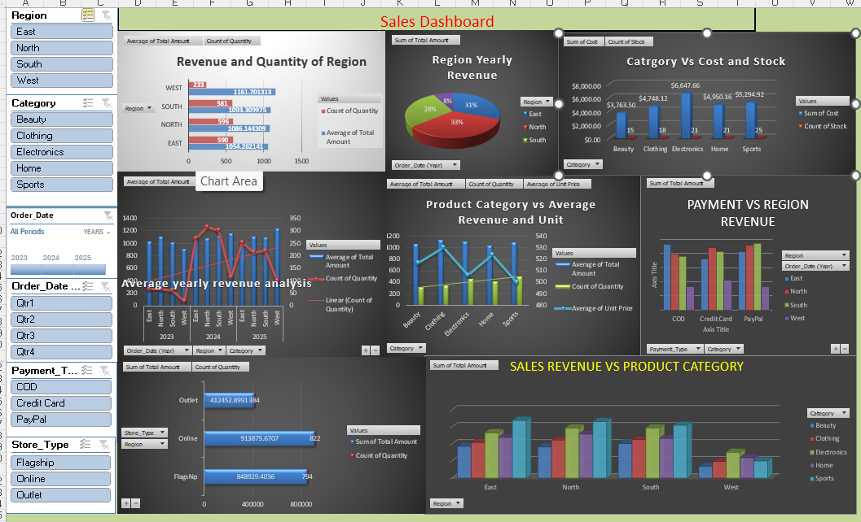
 |  | ECOMMERCE - DATASET SCREENSHOOT

 | Integrated Data
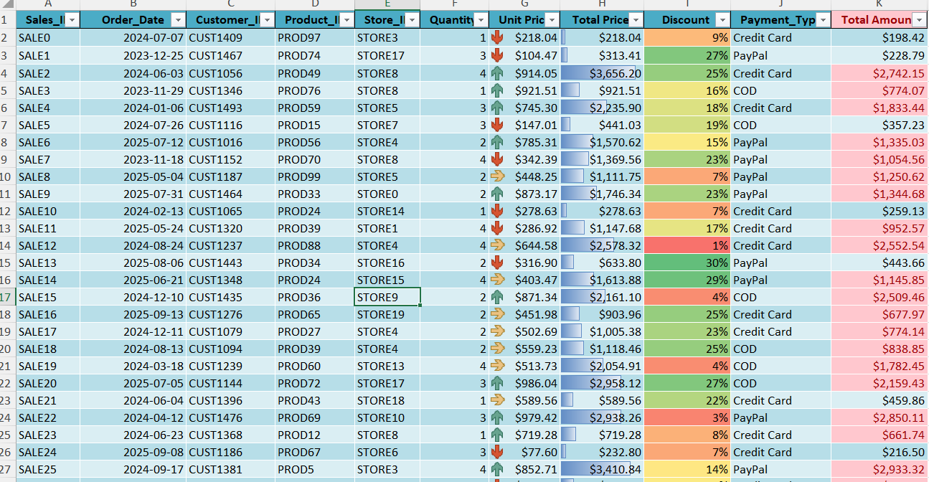

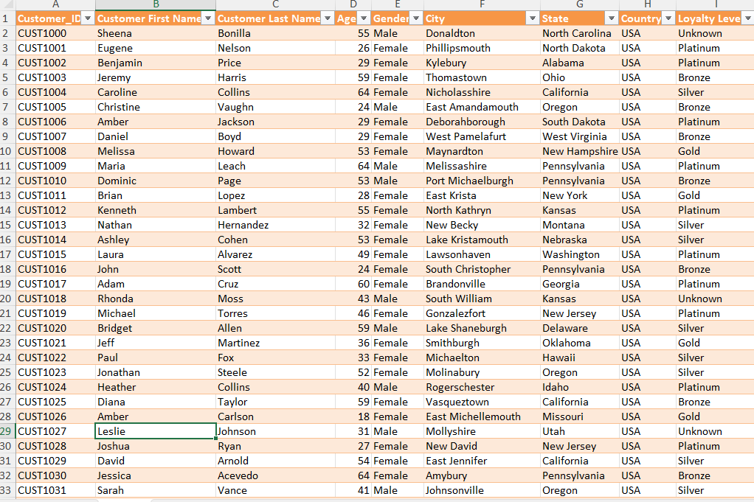

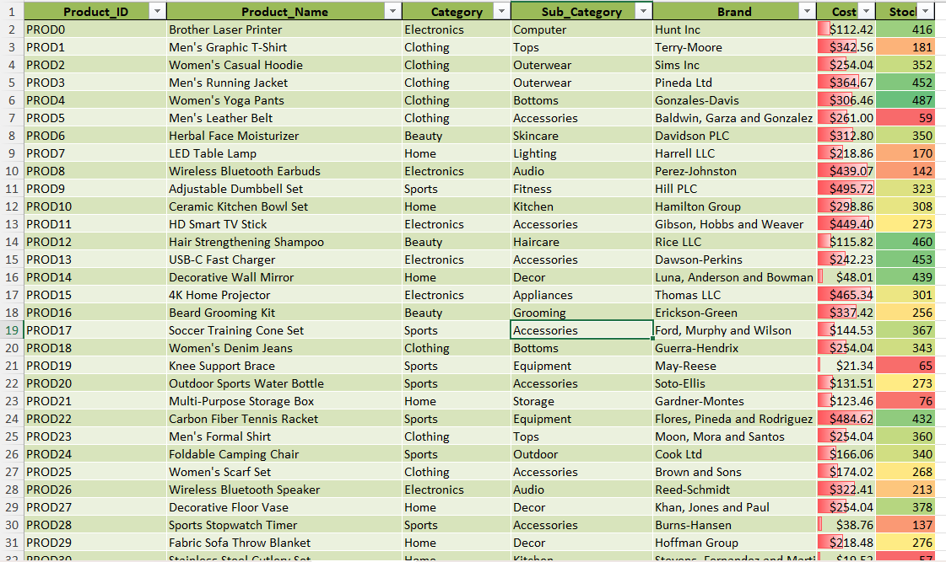

Relationship
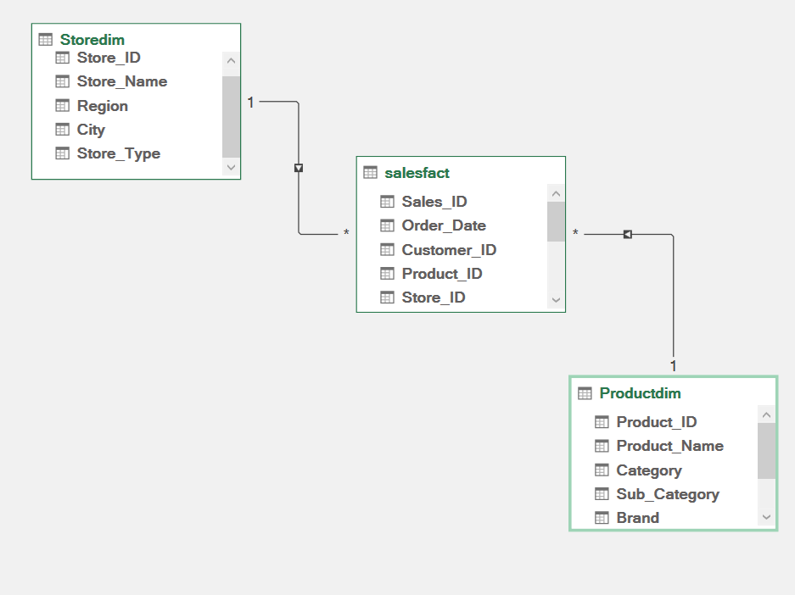

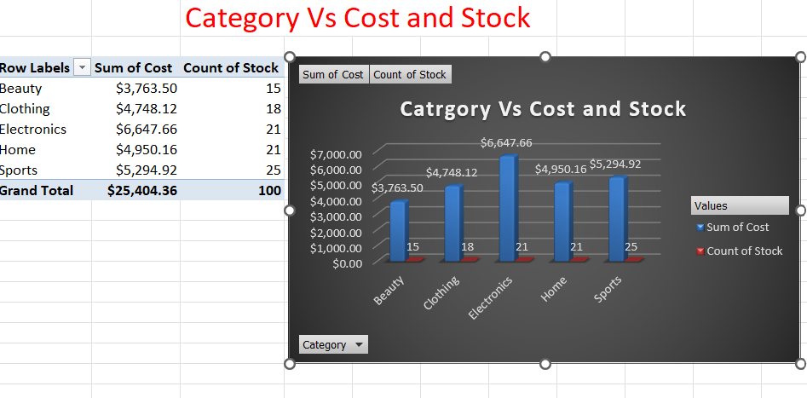

Pivot table

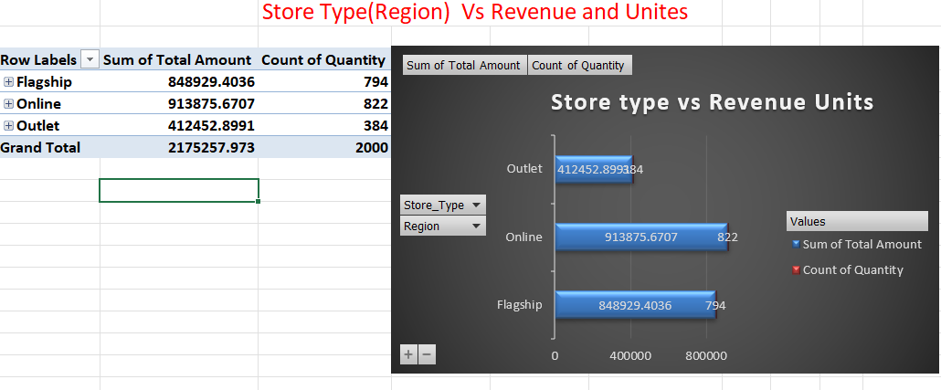
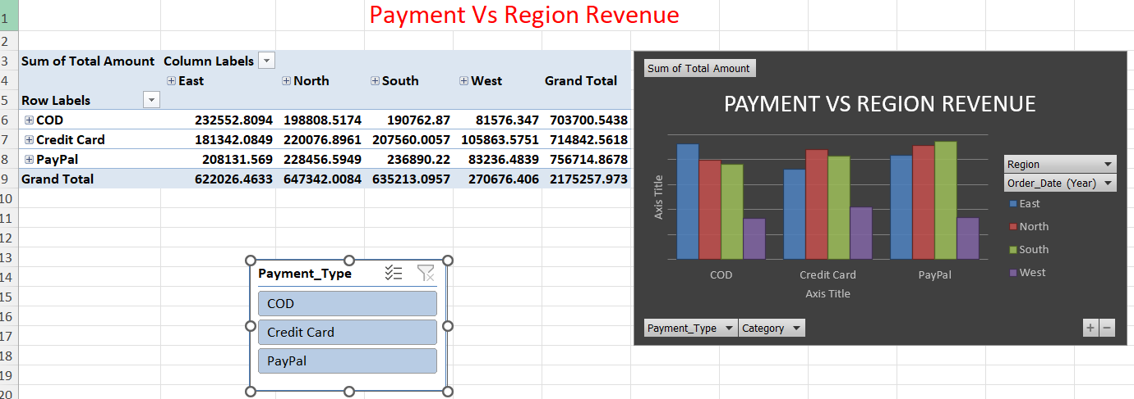


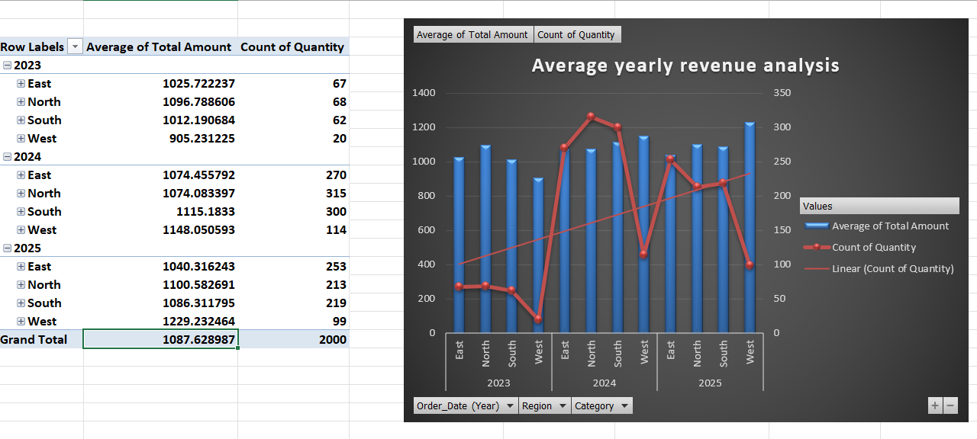

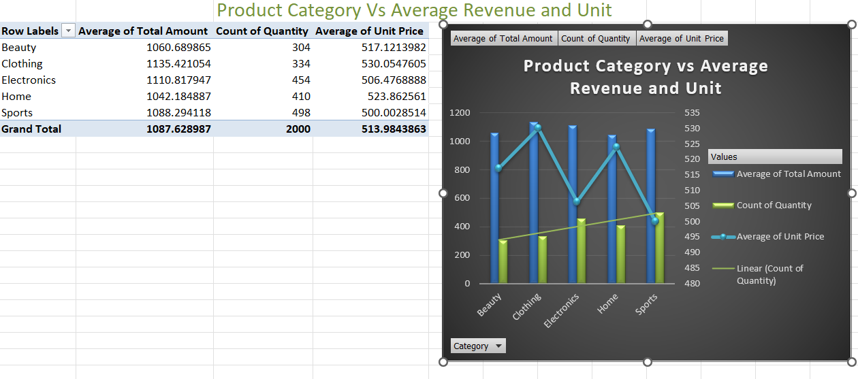
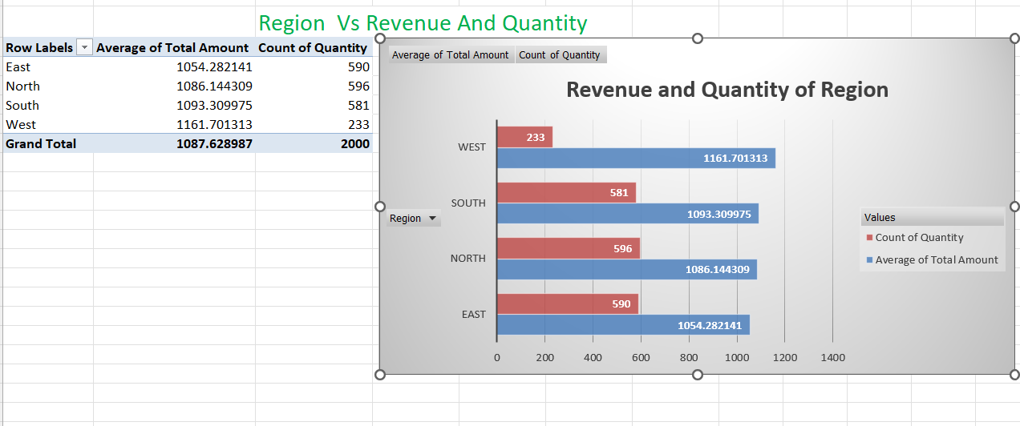

Discriptive Statistics
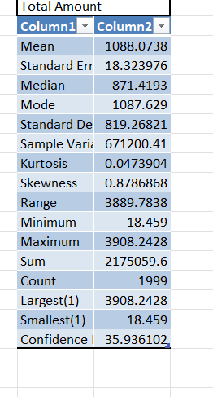

Discount Value and Percentage
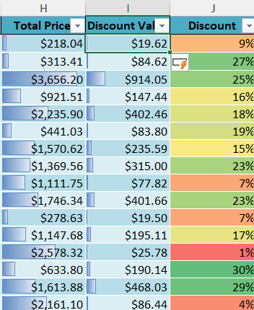

Total Amount
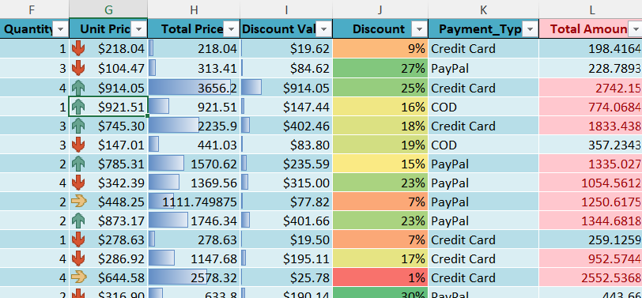

Dashboard

